Menu Order
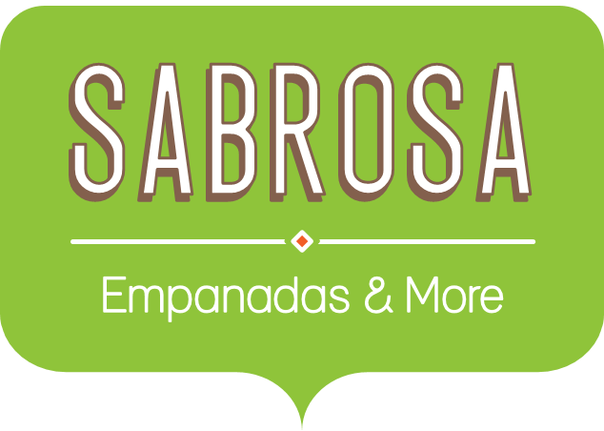 Menu Order
Sales Tax |  |  |  |  | 8.0%
Menu Item | In Stock | Price | Quantity | Sales Tax | Total
Empanadas: Beef Picadillo | Yes | $2.99 | 15 | $3.59 | $48.44
Empanadas: Chipotle Shrimp | Yes | $3.99 | 10
Empanadas: Black Bean & Plantain | Yes | $2.49 | 20
Tamales: Chicken Tinga | No | $2.29 | 20
Tamales: Vegetable | Yes | $2.29 | 30
Arepas: Carnitas | No | $2.89 | 10
Arepas: Queso Blanco | Yes | $2.49 | 20
Empanadas: Apple Cinnamon | Yes | $3.19 | 40
Beverages: Horchata | No | $1.89 | 25
Beverages: Lemonade | No | $1.89 | 35
Beverages: Tamarindo | No | $1.89 | 10
Total |  |  |  |  | $48.44

1. Insert a formula in Column E that calculates the tax of each item. =(price*quantity)*.08
2. Insert a formula in Column F that calculates the overall total. =(price*quantity)+tax
3. Insert a table. Highlight A3 to F14. Tables > New.
4. Display ONLY those items that are in stock.

